How to Use This Spreadsheet
HOW TO USE THIS SPREADSHEET TO EVALUATE A SINGLE LEAD SOURCE:
Fill in the following cells in the tab below labeled ROI Calculator. |  | Where your data goes:

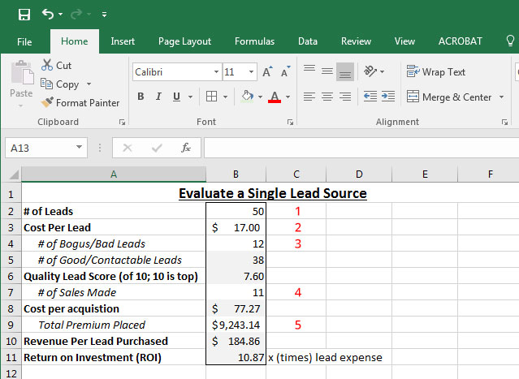
1 | Enter the number of leads you purchased in cell B2 (ex=50).

2 | Enter the cost you paid per lead in cell B3 (ex=$17).

3 | Enter the number of bogus/bad leads out of the total number of leads in cell B4 (ex=12).

4 | Enter the number of sales made out of the total number of leads in cell B7 (ex=11).

5 | Enter the total premium placed based on the number of sales you made from this batch of leads in cell B9 (ex=$9,243.14).

The spreadsheet will automatically calculate the following: |  | Where to find this data:

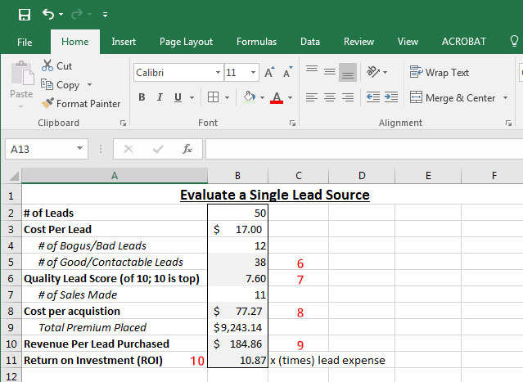
6 | The number of good/contactable leads out of the total number of leads in cell B5 (ex=38).

7 | The lead quality score on a scale of 1 (lowest) to 10 (highest) based on the number of good leads in cell B6 (ex=7.60).

8 | The cost per acquisition of each lead in a dollar value in cell B8 (ex=$77.27).

9 | The revenue per lead purchased in a dollar value in cell B10 (ex=$184.86).

10 | The return on investment (ROI) per lead in cell B11. Your total ROI is a multiple of the amount you paid per lead (ex=10.87x your lead expense).

HOW TO USE THIS SPREADSHEET TO EVALUATE MULTIPLE LEAD SOURCES & DETERMINE WHICH PERFORMS BEST:
The table is set up to evaluate 5 leads at a time, labeled A - E. For each lead source, enter the following in the tab below labeled ROI Calculator: |  | Where your data goes:

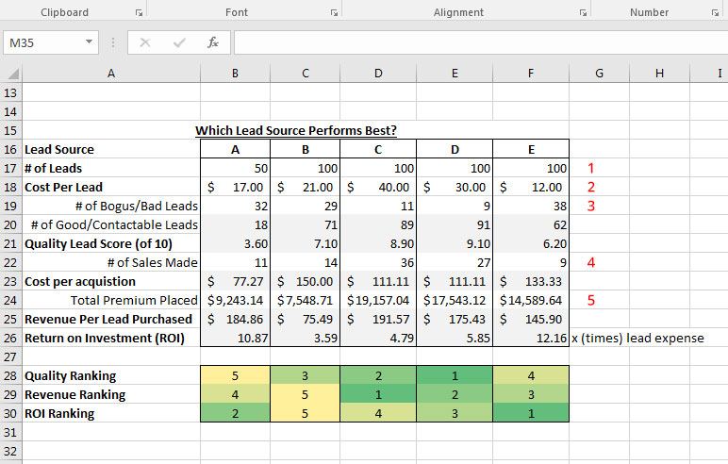
1 | Enter the number of leads you purchased from each source, one each in cells B17 - F17 (ex=50, 100, 100, 100, 100).

2 | Enter the cost you paid per lead by source in cells B18 - F18 (ex=$17, $21, $40, $30, $12).

3 | Enter the number of bogus/bad leads by source in cells B19 - F19 (ex=32, 29, 11, 9, 38).

4 | Enter the number of sales made by source in cells B22 - F22 (ex=11, 14, 36, 27, 9).

5 | Enter the total premium placed by source in cells B24 - F24 (ex=$9,243.14, $7,548.71, $19,157.04, $17,543.12, $14,589.64).

The spreadsheet will automatically calculate the following: |  | Where to find this data:

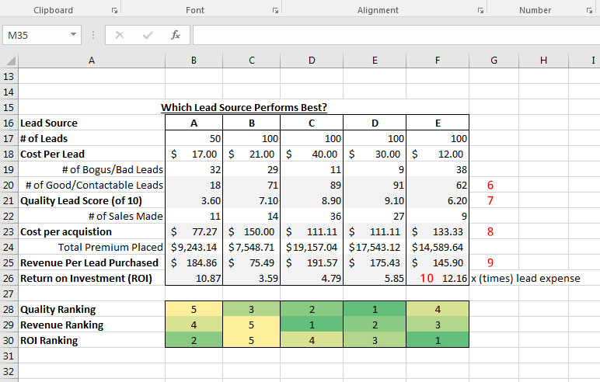
6 | The number of good/contactable leads out of the total number of leads by source in cells B20 - F20 (ex=18, 71, 89, 91, 62).

7 | The lead quality score on a scale of 1 (lowest) to 10 (highest) by source based on the number of good leads in cells B21 - F21 (ex=3.60, 7.10, 8.90, 9.10, 6.20).

8 | The cost per acquisition of each lead in a dollar value by source in cells B23 - F23 (ex=$77.27, $150, $111.11, $111.11, $133.33).

9 | The revenue per lead purchased in a dollar value by source in cells B25 - F25 (ex=$184.86, $75.49, $191.57, $175.43, $145.90).

10 | The return on investment (ROI) per lead by source in cells B26 - F26. Your total ROI is a multiple of the amount you paid per lead (ex=10.87x your lead expense).

You will also be able to see the rank of each lead source: |  | Where to find this data:

11 | For the lead source listed in this column, where does it rank in terms of the lead quality produced? 1 = highest; 5 = lowest

12 | For the lead source listed in this column, where does it rank in terms of the revenue produced? 1 = highest; 5 = lowest

13 | For the lead source listed in this column, where does it rank in tersm of ROI? 1 = highest; 5 = lowest

 | Brought to you by:

 | Find more tips, tools, and sales ideas at http://pinneyinsurance.com/blog

